TNF1OPU
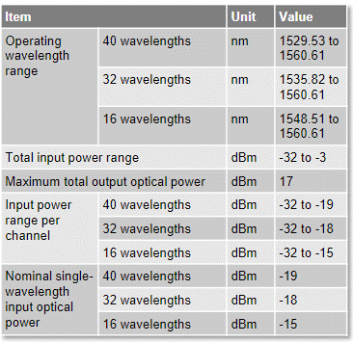
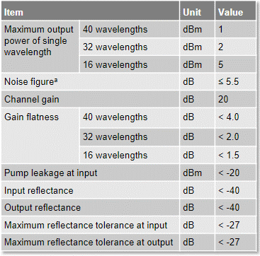
Modelo Amp | Quantidade de canais rede | Potência IN/OUT por canal 16 canais |  | Nº Canais Ativo | Ganho Setado | Porta | Estimativa de Potência |  | Máx. Potência |  | Máx. Potência
(TNF1OPU) | 16 | -15 | dBm | 16 | 20 | IN | -2.96 | dBm | -3 | dBm | -32 | dBm
(TNF1OPU) |  | 5 | dBm |  |  | OUT | 17.04 | dBm | 17 | dBm | - | dBm

(TNF1OPU) | 32 | -18 | dBm | 32 | 20 | IN | -2.95 | dBm | -3 | dBm | -32 | dBm
(TNF1OPU) |  | 2 | dBm |  |  | OUT | 17.05 | dBm | 17 | dBm | - | dBm

(TNF1OPU) | 40 | -19.3 | dBm | 40 | 20.3 | IN | -3.28 | dBm | -3 | dBm | -32 | dBm
(TNF1OPU) |  | 1 | dBm |  |  | OUT | 17.02 | dBm | 17 | dBm | - | dBm

Datasheet TNF1OPU

